Resources
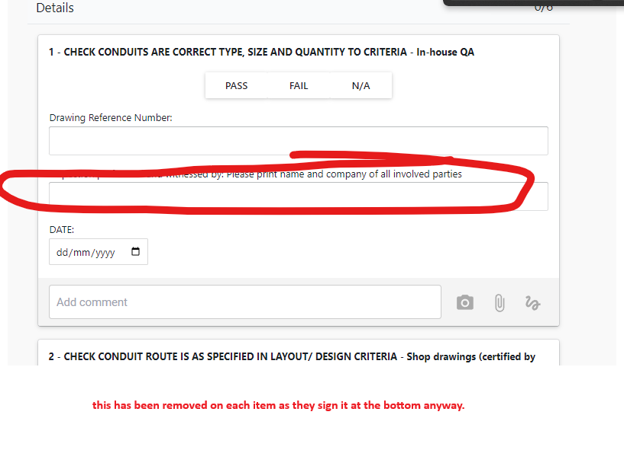
checklist | In Slab Conduit Installation | itp | Yes | ITPS-012 In Slab Conduit Installation
section | Details
checkpoint | 1 - CHECK CONDUITS ARE CORRECT TYPE, SIZE AND QUANTITY TO CRITERIA
date | DATE:
checkpoint | 2 - CHECK CONDUIT ROUTE IS AS SPECIFIED IN LAYOUT/ DESIGN CRITERIA
date | DATE:
checkpoint | 3 - INSTALLATION, CONDUIT IS JOINED CORRECTLY & TIED IN TO DECK (NOT RESTING ON FORM WORK).
date | DATE:
checkpoint | 4 - INSTALLATION OF PENETRATIONS FOR SPRINKLER & DRY FIRE RISERS
date | DATE:
checkpoint | 5 - INSTALL AND CHECK PROTECTIVE COVER TO FLOOR & WALL PENETRATIONS
date | DATE:
checkpoint | Hold Point Details
button | Hold Point Required: | Yes,No,Other:
textbox | Other (if applicable):
textbox | GM Sign Off - Name:
textbox | PC Sign Off - Name:
textbox | CS Sign Off - Name:
signoff | Signatures

